stocklots
Photo | Product Code | EAN | Description | Quantity | Packed | Height [cm] | Width [cm] | Length [cm]
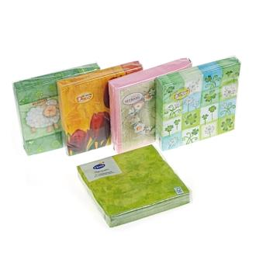 | Z-1018729 | 4062196187299 | Spring cocktail napkins, 20 pieces, assorted, 25×25 cm, 3 layers. Various brands: HEITMANN Deco, DECO HEITMANN, Duni. | 32728 | 162 | 3 | 13 | 13
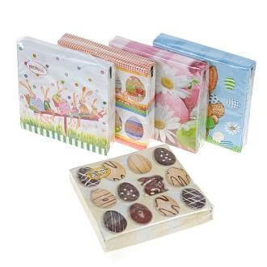 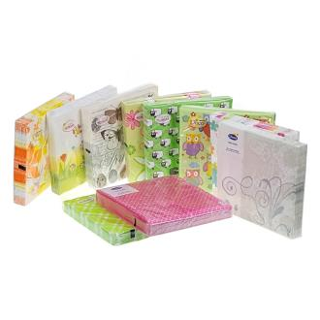 | Z-1018731 | 4062196187312 | Spring cocktail napkins, 20 pieces, assorted, 33×33 cm, 3 layers. Various brands: HEITMANN Deco, DECO HEITMANN, Duni. | 101364 | 84 | 3 | 17 | 17
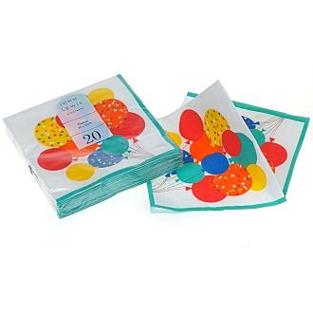 | TT-JLPSS22-BALLCNAP | 5059516842197 | Paper cocktail napkin 2L Balloons 25×25 cm 20 pcs. Brand: John Lewis. | 5376 | 12 | 3 | 13 | 13
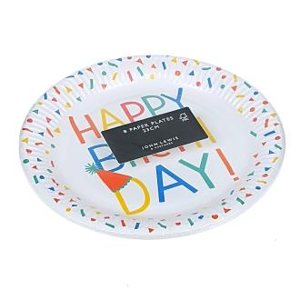 | TT-JLPSS22-HBPLT | 5059516842203 | Party paper plate 23 cm Happy birthday 8 pcs. Brand: John Lewis. | 2880 | 12 | 2 | 23 | 23
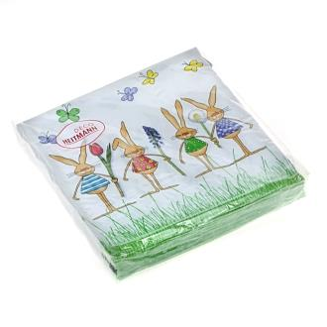 | Z-66360 | 4052400663602 | Easter cocktail napkins, Rabbits, 20 pieces, 25×25 cm, 3 layers. Brand: DECO HEITMANN. | 8432 | 180/12 | 3 | 13 | 13
 | Z-1018730 | 4062196187305 | Easter cocktail napkins, 20 pieces, assorted, 25×25 cm, 3 layers. Various brands: HEITMANN Deco, DECO HEITMANN, Duni. | 21158 | 162 | 3 | 13 | 13
 |  |  |  | 171938

